Case study 2021-Report
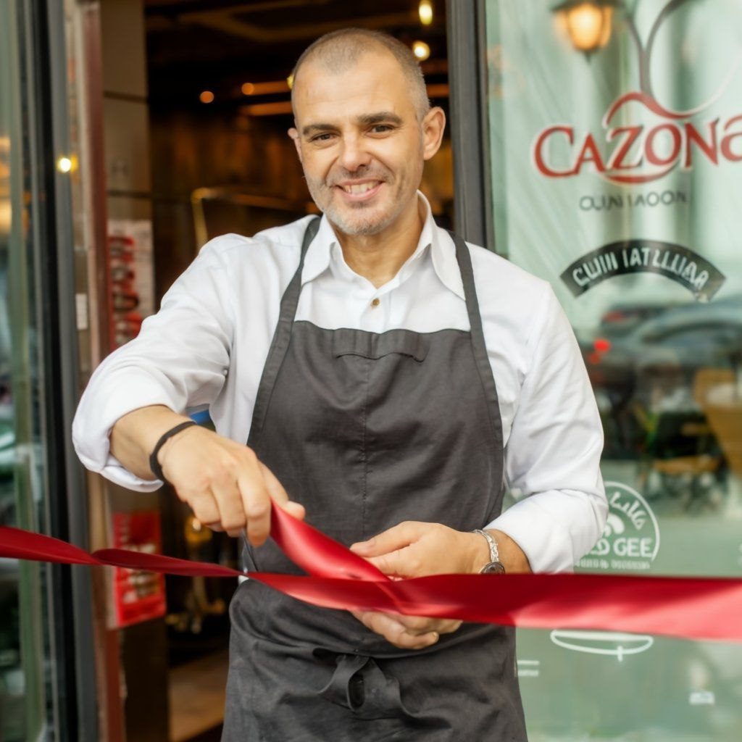
Case study Calzone Cucina Italiana Navigating Business Challenges and Achieving Financial Milestones (Fiscal Year 2021)
Calzone Cucina Italiana Navigating Business Challenges and Achieving Financial Milestones ( Year 2021)
Introduction: Calzone Cucina Italiana, an ambitious venture specializing in authentic Italian cuisine, commenced operations in 2021. Founded with a personal investment of $30,000, the company embarked on a journey to establish a culinary haven. This case study delves into the strategic decisions, financial challenges, and operational accomplishments that defined Calzone Cucina Italiana's inaugural year. | 
Investment and Business Initiation: The venture's inception saw a strategic injection of the founder's life savings, totaling $30,000, as common stock. This initial capital laid the groundwork for subsequent financial maneuvers.
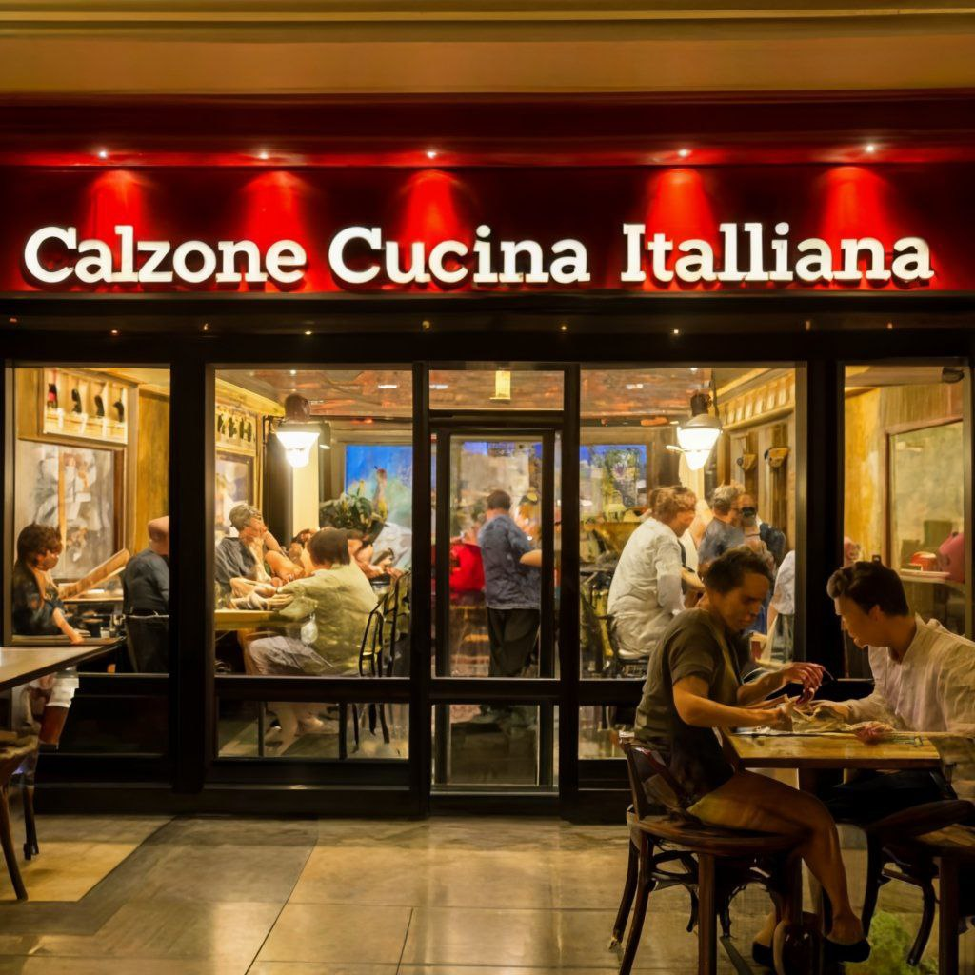
Property Acquisition and Financial Strategy: Identifying a prime location for the restaurant, the founder faced a financial bottleneck when the projected cost of acquiring the plot and constructing the establishment exceeded the available funds. A calculated move involved seeking financial support from the Bank of North City, resulting in a successful business loan acquisition worth $50000.
Infrastructure Development and Capital Expenditure: The $50,000 investment was meticulously allocated to various facets of infrastructure development. Notably, $20,000 was directed towards the previous landowner, another $15,000 to a 3D printing firm for constructing the restaurant, And the remaining $10,000 earmarked for cutting-edge robot kitchen equipment.
Financial Performance in 2021: Calzone Cucina Italiana achieved a commendable total revenue of $22,000 in its inaugural fiscal year. Operational costs included a $6,000 investment in top-tier ingredients and $3,000 in crew members' salaries, categorized under the cost of goods sold. Additional expenditures featured a $2,000 allocation for a dedicated bouncer, $500 for marketing initiatives, $1,000 for electricity, And $300 designated for depreciation and amortization. |  | 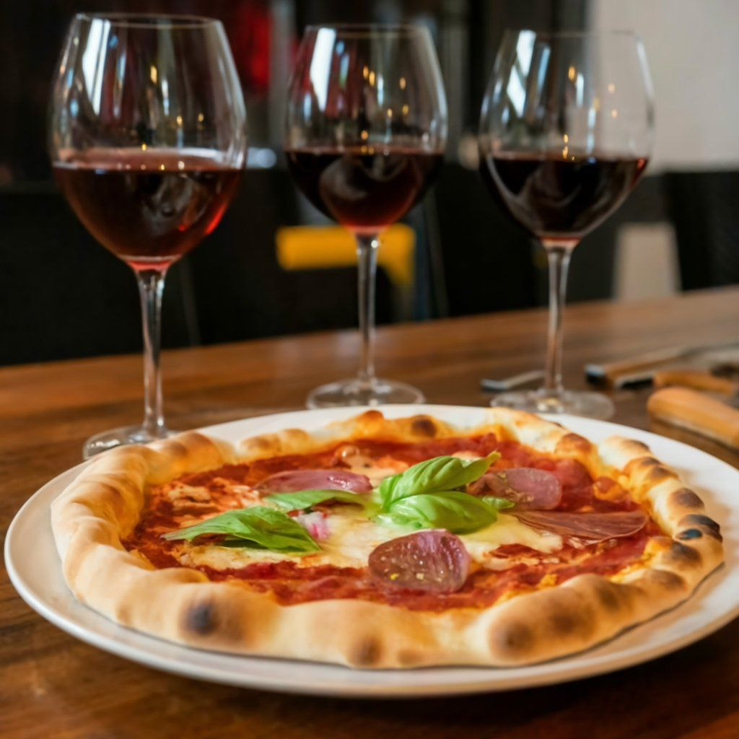

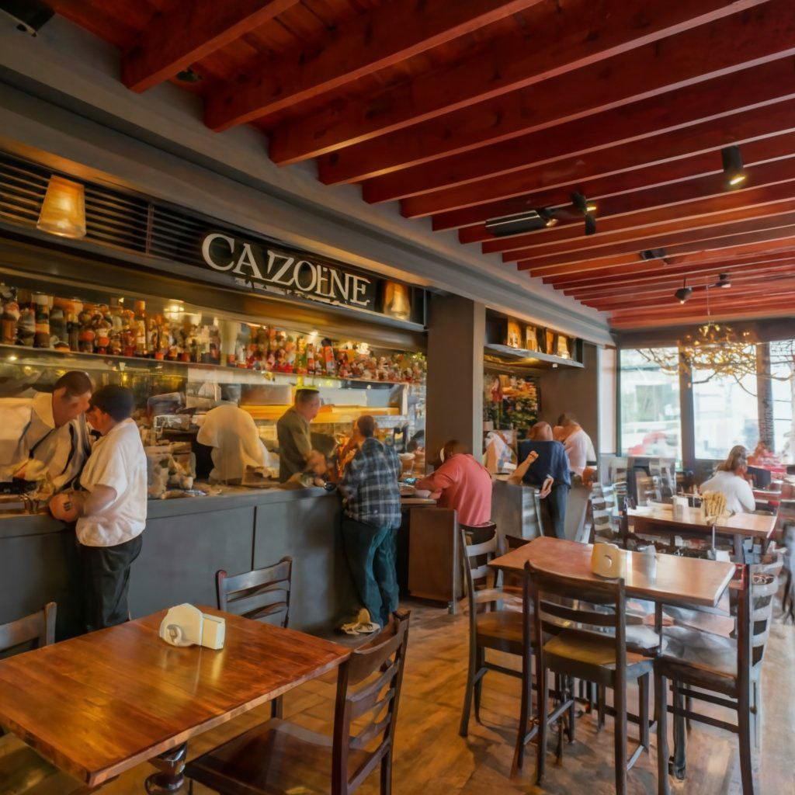
Loan Structure and Interest Considerations: To support the infrastructure development, Calzone Cucina Italiana secured a business loan from the Bank of North City with a competitive interest rate of 2%, Contributing significantly to the financial underpinning.

Financial Outcome: Post meticulous accounting of all costs and expenditures, Calzone Cucina Italiana reported a net income of $7,380 in the fiscal year 2021. This financial outcome underscores the initial success of the establishment, highlighting its operational viability and financial resilience.

Conclusion: Calzone Cucina Italiana's journey in its inaugural year reflects a judicious blend of strategic financial decisions, operational excellence, and a commitment to culinary excellence. The case study provides insights into the challenges faced and the adept maneuvers employed to establish a thriving culinary enterprise in the competitive restaurant landscape.

